React
State
Item | Description
State | Similar to props but private and fully controlled by the component
 | Only available to classes
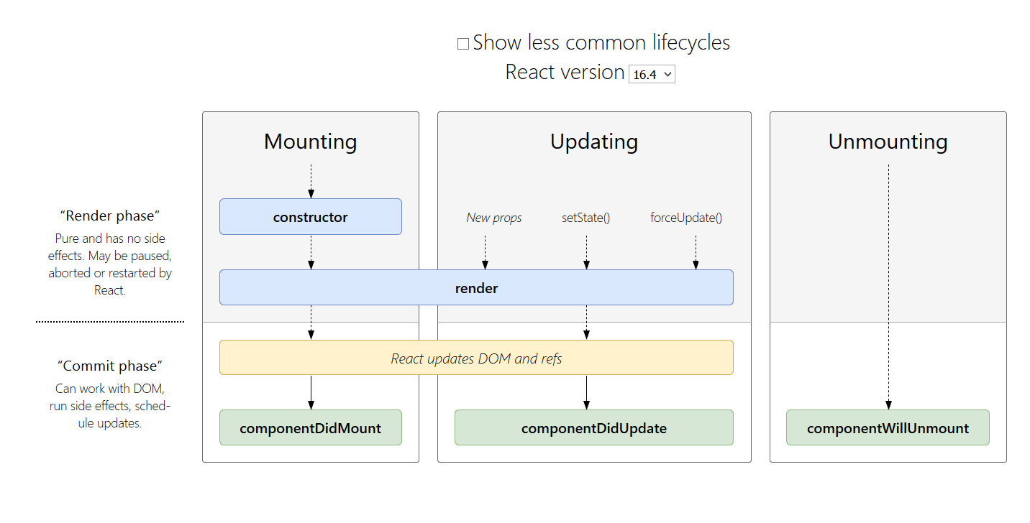

Mounting
Item | Description
Mounting | Set up when rendered for first time
 | componentDidMount() {}

Unmounting | DOM produced is removed
 | componentWillUnmount() {}

*both mount and unmount are lifecycle hooks

 |  |  | Component
 |  | props -> |  | ->Elements

Components
Item | Description
Component | Can be defined as a class or a function
Componet Classs | You must extend React.Component
*The only method you need to define is render()

React | Rather then seperating technologies react seperates concerns with looselly coupled units called components

Elements | Smallest building blocks of react apps
 | Describes what you want to swee on screeen
 | const element = <h1>Hello, world</h1>;
 | Components are made of elements
 | Immutable
 | To update UI create a new element and apass it to ReactDOM.render()

Components

Terms
Item | Description
render | how react learns what should be displayed on screen
 | Takes HTML and displays
this.state | can only be used in the constructor
this.setState | Use to update state
SyntheticEvent | A cross-browser wrapper around the browser’s native event
Component | Different parts of your webpage
 | How to render multiple Components
 | Every single component can only return one parent element (so two p tags have to be put in a div)

State | Another way to customize an element BUT it can change
*changes

Props | Allow you to customize an element
*stay the same | When you give element custom property it is set for life

Logic | Put logic in the render method or elsewhere but not inside the {} tags in an element like a p tag

